Bugs
Bug Description | Steps to Reproduce Bug | Severity | Priority | Screenshot
The checkbox's cursor is visible. Since it is clickable, it ought to be changed to a hand glove. | Step 1: Move cursor Step 2: Click on task saved | Low | P4 | 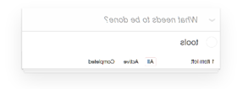

The down arrow symbol on the Select/Unselect all icon should be replaced with a checkbox because it suggests that the feature is collapsible or expandable. | Step 1: Move cursor Step 2: Click on arrow symbol facing down | Low | P4
The number of items remaining in the finished tab is not appropriate. | Step 1: Add multiple task in TODOS task creator Step 2: Click on Completed tab | High | P2

Type | Priority | Definition | Can QA give sign-off
System crash/page breakage | P1 | Critical | No
Unresponsiveness | P1 | Critical | No
UI discrepancies | P1 | Critical | No
Data unavailability | P1 | Critical | No
High impact business logic flaws | P2 | High | No
Major functionality issues | P2 | High | No
Performance concerns | P2 | High | No
Feature bugs | P3 | Medium | Yes
Non-critical compatibility bugs | P3 | Medium | Yes
Non-impacting data issues | P3 | Medium | Yes
CRs | P4 | Low | Yes
Usability improvements | P4 | Low | Yes

Enhancement
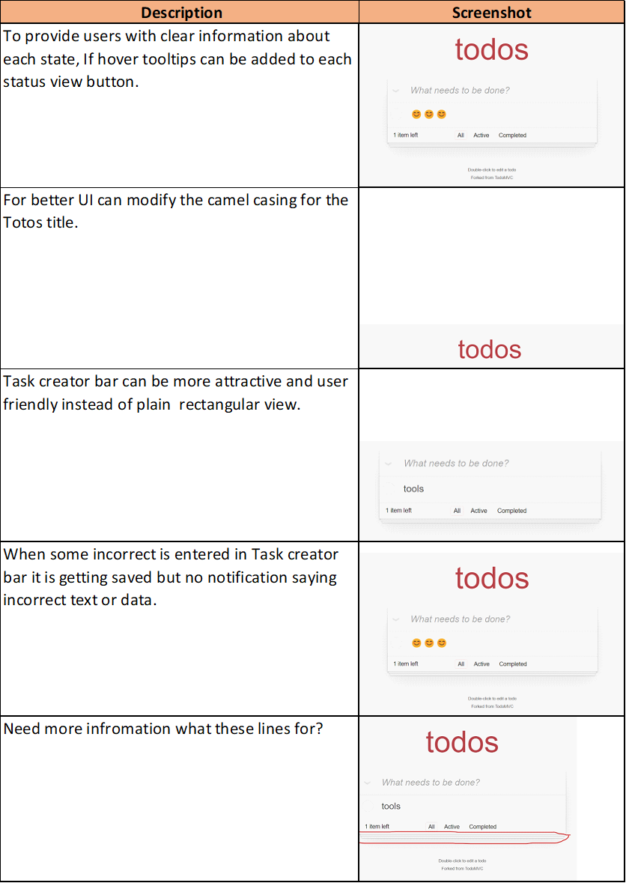
d

